Overview
2021-05-09 | Chosen -
 |  | ubuntu
 |  | ionic
 |  | angular
 |  | minikube/GCP
 |  | docker
 |  | dapr
 |  | gRPC

2021-05-04 | Unix mainframe > Linux > ubuntu
 | Linux > MacBook
 | Bill Gates > MSDOS > Windows - not like Linux
 | Servers run Linux

 | Backend > servers > store data and can generate HMTL for browsers
 |  | Ionic4
 |  |  | Progressive Web Apps (PWA) ‘continue without connection’
 |  |  | Mobile, IOS, Android

 |  | Cloud > Amazon Web Services, Microsoft Azure, Google Cloud Platform
 |  | Docker, containers / Kubernetes, minikube, kubectl

 |  | SQL, Microsoft Access, MySQL/MariaDB, PostgreSQL
 |  | NoSQL, MongoDB, Influx

 |  | PHP, CodeIgniter, Laravel
 |  | Python
 |  | Golang/Go - concurrency

 | Single Page Application

 | dapr - Microsoft Distributed APplication Runtime

 | CI/CD - Jenkins, GitLab ….

 | Frontend > browsers, Chrome, Firefox, Explorer/Edge, Safari
 |  | Facebook React/React Native
 |  | VueJS
 |  | Angular
 |  | TypeScript>JavaScript
 |  | Ionic4 > phone camera/location

 | vscode (Visual Studio Code, code), Eclipse, JetBrains
 |  | GitHub, .git
 |  | multiple microservices in a workspace
 |  | multiple repositories in a workspace

 | videos as explanation of yofa

Toshiba | Monolith v Microservices
 |  | example in chapter 10 Architecting Google Cloud Solutions (dev pbAGCS.xlsx)
 |  | Toshiba webdev>github.com>mstudham>agcsd>ch10>microservices
 |  | Toshiba webdev>github.com>mstudham>agcsd>ch10>monolith
 |  |  | are running in Minikube

MacBook | Hands-On Microservices with Python has -
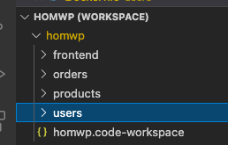

 | two microservices videos - |  |  | somewhere a collection of databases
 |  | see dev_notes.xlsx re pvModGP
 |  | microservices.xlsx
 |  | microservices2.xlsx

 | Maximilian Schwarzmuller
Ionic4 | Mobile First
 |  | PWA just use ng add @angular/pwa
 |  | host frontend on a static host like firebase
 |  |  | firebox deploy
 |  |  | React/Angular/Vue
pv-I4 | Ionic4 - Build IOS, Android and Web Apps with Ionic and Angular
 |  | Maximilian Schwarzmuller, April 2019 (19h 48m)
pv-atcg | Angular - The Complete Guide 2020 - Maximillian Schwarzmuller - April 2018 (31h 13m) £ |  |  |  |  | (Angular 11)
 | Progressive Web Apps PWA The Complete Guide - Maximillian Schwarzmuller - Apr 2018 (13h 51m) £107.99
 | CSS - The Complete Guide (incl. Flexbox, Grid and Sass) - Academind GmbH - Nov 2018 (20h 42m) £130.99

 | see dev_notes.xlsx re CSV to JSON

 | WILL BE ABLE TO DRILL DOWN ON ANY NUMBER - NEW SCREEN WILL EXPLAIN
 |  | based on pvI4s4v8 setting up recipe-detail (ionic.xlsx)

 | MOBILE FIRST DESIGN
 |  | THEN LAPTOP BIGGER SCREEN MANAGEMENT WHERE NECESSARY

 | DEVELOP IN IONICS WITH TEMPORARY DATA LIKE pvI4?

pvI4s16v4 | Web Development

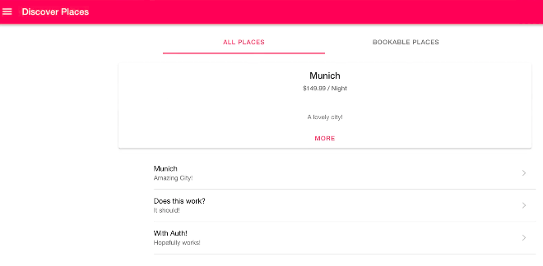

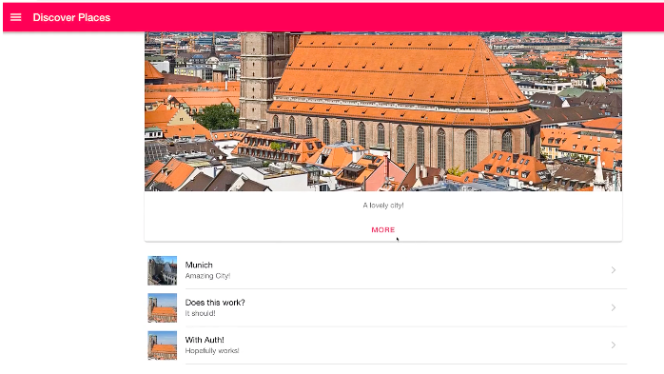

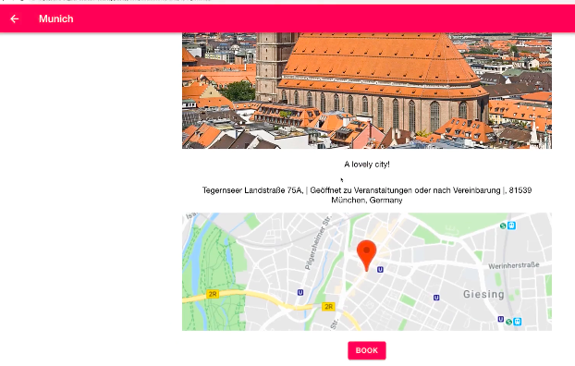

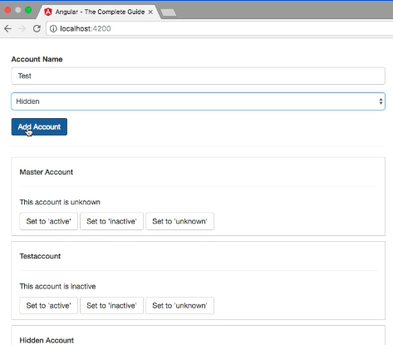
2021-05-26
pv-atcgs9v2

 |  |  |  |  | Logs all actions

 |  |  |  |  | Add Account

 |  |  |  |  | List Accounts

Debtor Creditor balances
2021-05-09 | see SC>Users>scl-mstudham>YOFA011>YOFA example coding.xlsx

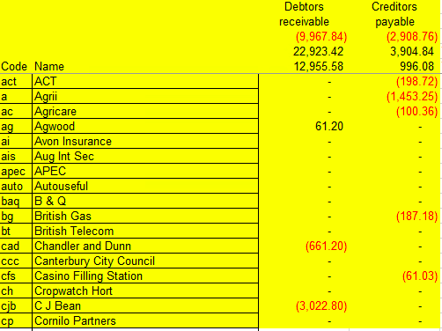

 |  | can also have third-party balances (clients/deposits)
 |  | click on any balance to get detailed listing

 |  | HOW TO (UNDO) OFFSET PAYMENTS TO INVOICES?

Nominal Ledger
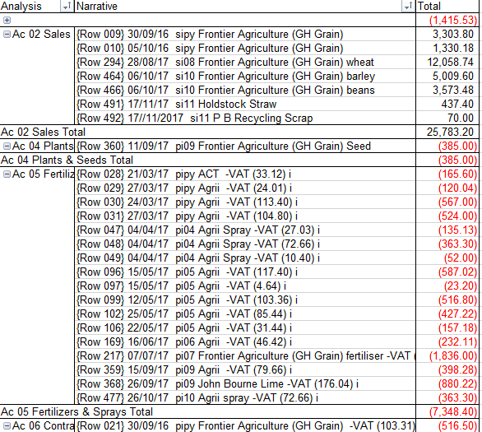
2021-05-09 | see SC>Users>scl-mstudham>YOFA011>YOFA example coding.xlsx
 | but add in source to narrative
 | Accounts to show as groups - for summary only on small screens
 | Sales
 | Purchases
 | Other direct expenses
 | Gross Profit | gp / np / totals, on small screens coloured
 | Other income | on larger screens possibly t+s+d
 | Overheads |  | if s and/or d, single or double underline
 | Net Result
 | Appropriations
 | Reserves
 | Capital
 | Fixed assets
 | Current assets
 | Current liabilities

Accounts
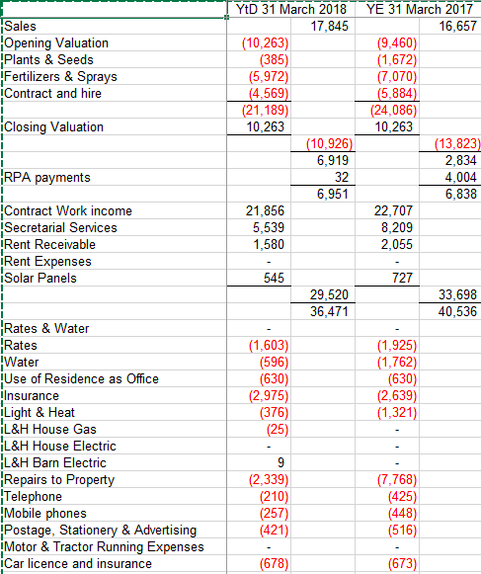
2021-05-09 | see SC>Users>scl-mstudham>YOFA011>YOFA example coding.xlsx

 | LIKE EXCEL SPREADSHEET USES GROUP / UNGROUP
 |  | ALLOW BLOCKS OD ACCOUNTS TO GROUP as Sales, Overheads, etc.
 |  | ESPECIALLY FOR MOBILE SCREENS
 | NEED TO THINK ABOUT LAYOUT FILES
 |  | ROWS FOR HEADINGS, ACCOUNTS, TOTALS
 |  | COLUMNS FOR CODE, DESCRIPTION/TEXT, PERIODS

 |  | Name | as single columns

Screens
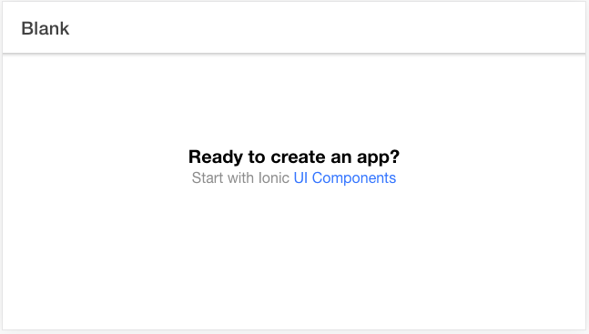
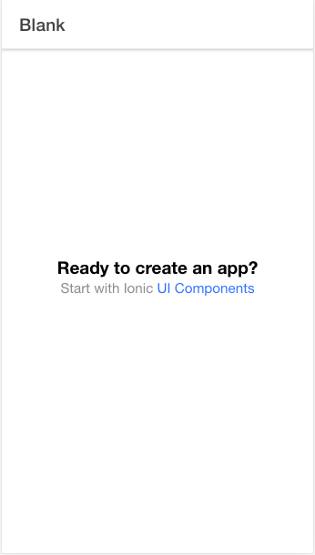
2021-05-09 | ionic
 |  | dev tools
 |  | mobile screen
 |  | rotate

